Tan_Use_Case
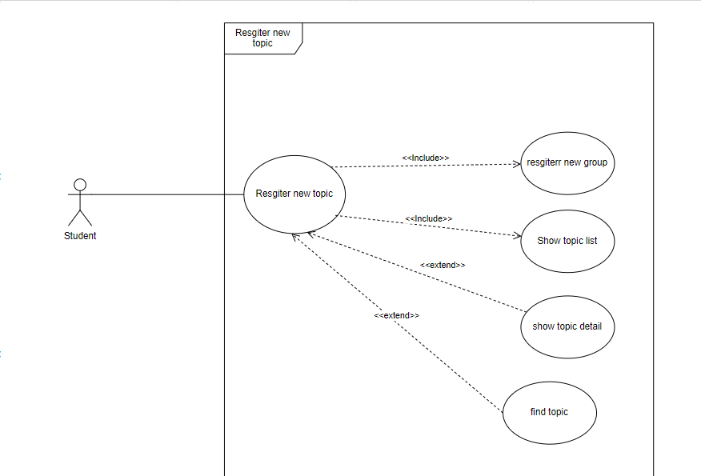
6.9.1 Register new Group

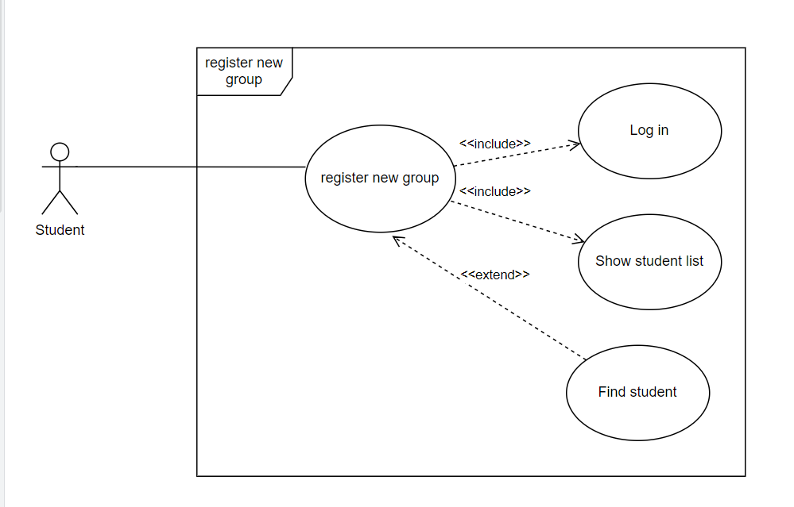

6.9.2 Register new topic

Tan_Class_Diagram
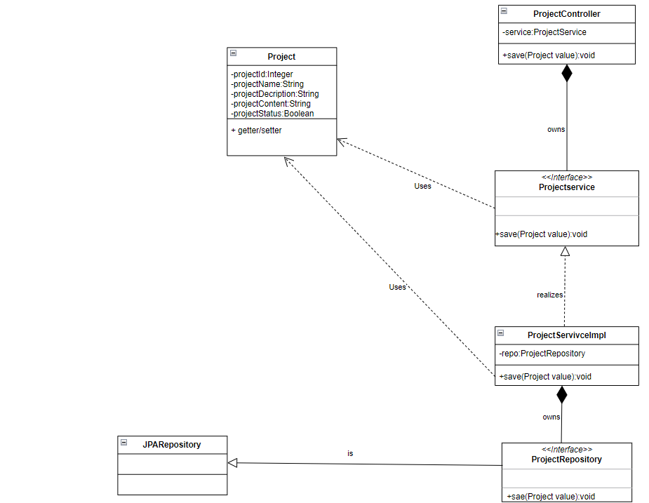
6.9.1 Register new Group
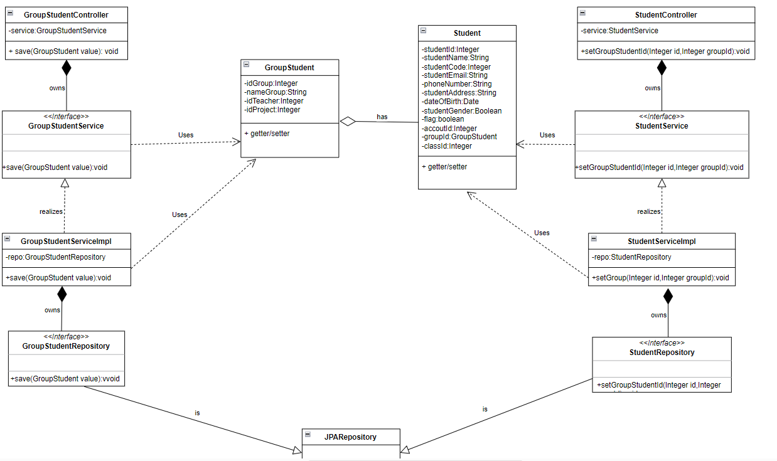

6.9.2 Register Project

Tan_Sequence_Diagram
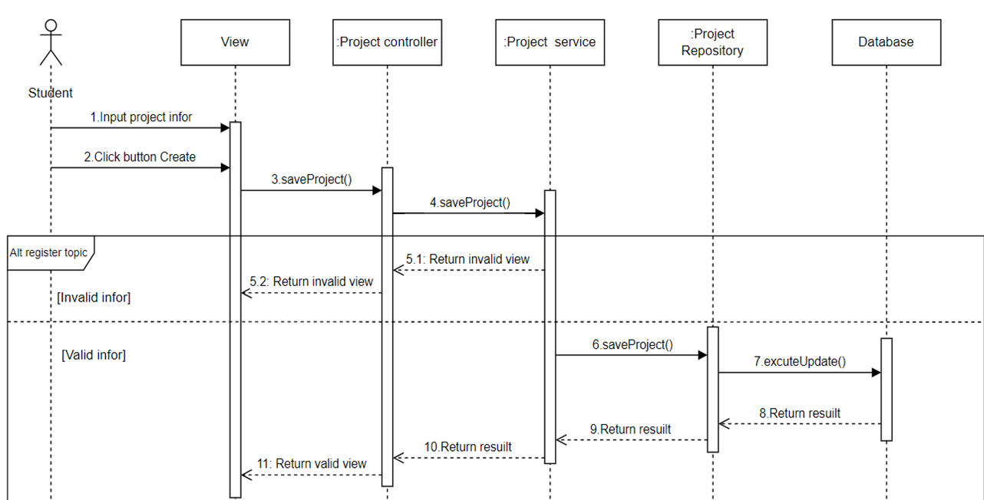
6.9.1 Register new Group
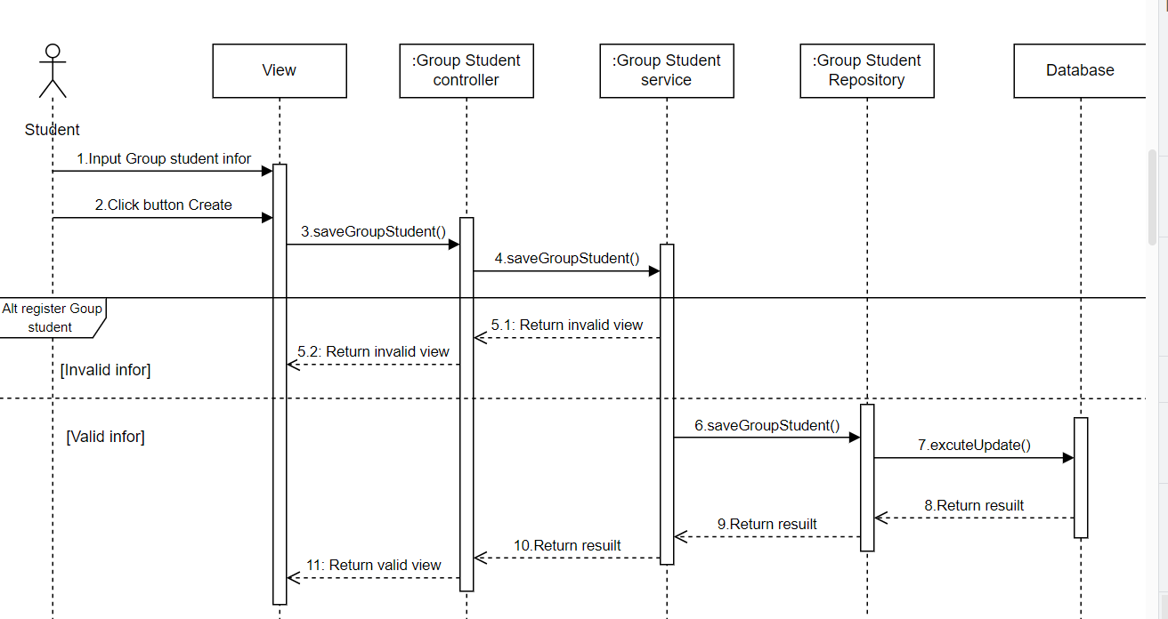

6.9.1 Register new Group
** Sau khi sinh nhận được thông báo tham gia nhóm
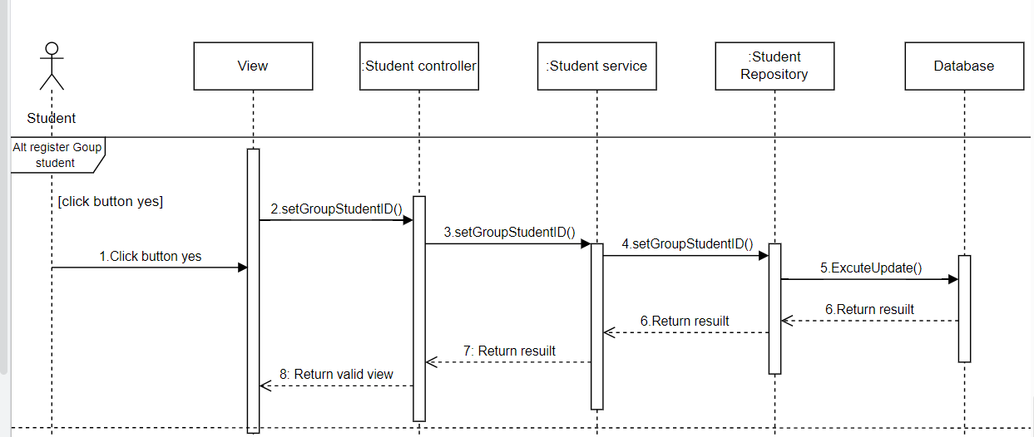

6.9.2 Register new Project

